1. Title Page
Grocery Basket Data Analysis

Date: May 27, 2022
Analyst Name: Tannis McCartney

Citation: The Instacart Online Grocery Shopping Dataset 2017, Accessed from https://www.instacart.com/datasets/grocery-shopping-2017 on May 12, 2022.
Comment: This report summarizes the workflow and outputs for data analysis to support developing targeted marketing campaigns. This work was conducted for educational purposes only. The customer data and product prices used here were fabricated for the purposes of this analysis, and are not included in the original Instacart data.

2. Table of Contents
Table of Contents

1 | Title page
2 | Table of Contents
3 | Population Flow
4 | Wrangling Steps
5 | Consistency Checks
5a | Consistency Check supporting data
6 | Column derivations
7 | List of Visualizations
8a | Question 1
8b | Question 2
8c | Question 3
8d | Question 4
8e | Question 5a | Each tab contains the relevant visualizations, data samples, and summary/recommendations.
8f | Question 5b
8g | Question 5c
8h | Question 5d
8i | Question 6
8j | Qestion 7

3. Population Flow
Population flow

Orders_products_combined
Orders_products_merged
Orders_products_all

Total rows: 32434489
Total rows: 32433030 *
Total rows: 32433030

Exclusion flag
Condition: max_order < 5
Obervations to be removed: 1441488
Final total count of order_products_all: 30991542
* Two product IDs were missing from products, this resulted in the loss of 1459 rows between orders_products_combined and orders_products_merged. The missing product IDs are 5799 and 26519.

4. Wrangling steps
Wrangling steps

Columns dropped | Columns renamed | Columns' type changed | Comment/Reason
orders['eval_set'] |  |  | system info, all rows contained same value
customers['First Name'] |  |  | Personal Identifier Information (PII) removed for privacy reasons
customers['Surnam'] |  |  | Personal Identifier Information (PII) removed for privacy reasons
customers['Gender'] |  |  | Not needed, could be considered PII
 | orders['order_dow'] |  | renamed to 'order_day_of_week' because original name not descriptive enough
 | customers['Age'] |  | renamed to 'age' for consistency with other column names
 | customers['STATE'] |  | renamed to 'state' for consistency with other column names
 | customers['n_dependants'] |  | renamed to 'dependants' for simplification
 | customers['fam_status'] |  | renamed to 'household_status' in case 'family' needed for created variables
 |  | df_orders['order_id'] = df_orders['order_id'].astype('int32') | data typed changed to reduce memory usage of dataframe in merging
 |  | df_orders['user_id'] = df_orders['user_id'].astype('int32') | data typed changed to reduce memory usage of dataframe in merging
 |  | df_orders['order_number']=df_orders['order_number'].astype('int8') | data typed changed to reduce memory usage of dataframe in merging
 |  | df_orders['orders_day_of_week']=df_orders['orders_day_of_week'].astype('int8') | data typed changed to reduce memory usage of dataframe in merging
 |  | df_orders['order_hour_of_day']=df_orders['order_hour_of_day'].astype('int8') | data typed changed to reduce memory usage of dataframe in merging
 |  | df_orders['days_since_prior_order']=df_orders['days_since_prior_order'].astype('float16') | data typed changed to reduce memory usage of dataframe in merging
 |  | df_ords_prior['order_id'] = df_ords_prior['order_id'].astype('int32') | data typed changed to reduce memory usage of dataframe in merging
 |  | df_ords_prior['product_id'] = df_ords_prior['product_id'].astype('int32') | data typed changed to reduce memory usage of dataframe in merging
 |  | df_ords_prior['add_to_cart_order'] = df_ords_prior['add_to_cart_order'].astype('int32') | data typed changed to reduce memory usage of dataframe in merging
 |  | df_ords_prior['reordered'] = df_ords_prior['reordered'].astype('int8') | data typed changed to reduce memory usage of dataframe in merging
 |  | df_prods_no_dups['product_id'] = df_prods_no_dups['product_id'].astype('int32') | data typed changed to reduce memory usage of dataframe in merging
 |  | df_prods_no_dups['aisle_id'] = df_prods_no_dups['aisle_id'].astype('int16') | data typed changed to reduce memory usage of dataframe in merging
 |  | df_prods_no_dups['department_id'] = df_prods_no_dups['department_id'].astype('int16') | data typed changed to reduce memory usage of dataframe in merging
 |  | df_prods_no_dups['prices'] = df_prods_no_dups['prices'].astype('float32') | data typed changed to reduce memory usage of dataframe in merging
 |  | df_cust['user_id'] = df_cust['user_id'].astype('int32') | data typed changed to reduce memory usage of dataframe in merging
 |  | df_cust['state'] = df_cust['state'].astype('string') | data typed changed to reduce memory usage of dataframe in merging
 |  | df_cust['age'] = df_cust['age'].astype('int32') | data typed changed to reduce memory usage of dataframe in merging
 |  | df_cust['dependants'] = df_cust['dependants'].astype('int32') | data typed changed to reduce memory usage of dataframe in merging
 |  | df_cust['household_status'] = df_cust['household_status'].astype('string') | data typed changed to reduce memory usage of dataframe in merging
 |  | df_cust['income'] = df_cust['income'].astype('int32') | data typed changed to reduce memory usage of dataframe in merging

Wrangling steps completed in Jupyter notebooks 1, 2, and 3.

5. Consistency checks
Consistency checks

Dataset | Missing values | Solution | Duplicates | Mixed-Type Data
orders | days_since_prior_order* | Customer has only placed one order. Flag for 'new customer' added. | none | none
products | 16 rows with missing product name | Rows kept. Client may have missing information.** | 5 full duplicates removed | product_name changed to string
orders_products_prior | none | none | none | none
customers | none | none | none | none

Consistency checks were completed in Jupyter notebooks 1, 2, and 3.
* The crosstab used to check this information is included on worksheet 5a.
** The products missing the product name are listed on worksheet 5a.
Two items with suspected incorrect prices were identified. They are listed on worksheet 8b

6. Column derivations
 |  |  |  |  | Title page

Column derivations and aggregations

In this tab you should add tables below that the frequences of flags/label variables that you produced after deriving them. NB: don't do this for continuous variables, only for flags.
Dataset | New column | Column/s it was derived from | Conditions
orders | new_customer | days_since_prior_order | True when days_since_prior_order is 0.
ords_prods_merged | price_range | prices | Price > 15 = High-range product Price ≤ 15 & > 5 = Mid-range product Price ≤ 5 = Low-range product
ords_prods_merged | busiest_day | orders_day_of_week | value == 0 = Busiest day (Saturday) value == 4 = Least busy (Wednesday) all others = Regularly busy
ords_prods_merged | busiest_2_days | orders_day_of_week | value == 0 or 1 = Busiest days (Saturday & Sunday) value == 4 or 3 = Slowest days (Tuesday and Wednesday) all others = Regularly busy
ords_prods_merged | busiest_period_of_day | order_hour_of_day | value ≥ 10 and ≤ 15 = Most orders value ≥ 2 and ≤ 6 = Least orders all others = Average orders | * See worksheet 8a for justification
ords_prods_merged | loyalty_flag | max_order | value > 40 = Loyal Customer value ≤ 40 & > 10 = Regular Customer value ≤ 10 = New Customer
ords_prods_merged | spending_flag | mean_prices | value < 10 = Low spender value ≥ 10 = High spender
ords_prods_merged | order_frequency flag | median_days_since_order | value > 20 = Non-frequent customer value > 10 & ≤ 20 = Regular customer value ≤ 10 = Frequent customer
orders_products_all | region | state | Regional divisions used by the US Census Bureau
orders_products_all | low_activity_customer | max_order | value < 5 = True value ≥ 5 = False
cust_5_plus_orders | age_range | age | value < 30 = 0-29 value ≥ 30 & < 50 = 30-49 value ≥ 50 & < 70 = 50-69 value ≥ 70 & < 90 = 70-89 value ≥ 90 = 90 plus
cust_5_plus_orders | has_dependents | dependants | value == 0 = False value > 0 = True
cust_5_plus_orders | is_married | household_status | value == married = True all else = False
cust_5_plus_orders | income_bracket | income | value < 50k = 00-50k value ≥ 50k and <100k = 50-100k value ≥ 100k and <200k = 100-200k value ≥ 200k and <500k = 200-500k value ≥ 500k = 500k plus

7. List of Visualizations
List of Visualisations

Number of orders each day of the week | Question 1
Number of orders each hour of the day | Question 1
Price range of products | Question 2
Prices of items ordered each day of the week | Question 2
Customer Expenditure Throughout the day | Question 2
Scatterplot of product prices (QC purposes) | Question 3
Comparison of departments ordered from by price range | Question 3
Products ordered from each department | Question 4
Distribution of customers among loyalty categories | Question 5a
Comparison of ordering habits by loyalty status | Question 5b
Comparison of ordering habits by region | Question 5c
Comparison of ordering habits by age range | Question 5d
Comparison of ordering habits by number of dependants | Question 5d
Comparison of ordering habits by family status | Question 5e
Number of dependants vs Age | Question 6
Spending power by age | Question 6
Distribution of age ranges | Question 6
Percentage of customers with dependants | Question 6
Percentage of married customers | Question 6
Distribution of Income Brackets | Question 6
Comparison of spending habits by region | Question 7
Comparison of products purchased across the regions | Question 7
Comparison of products purchased by income bracket | Question 7

8a Question 1
Visualizations and Key Question 1

1. The sales team needs to know what the busiest days of the week and hours of the day are (i.e. the days and times with the most orders) in order to schedule ads at times when there are fewer orders.
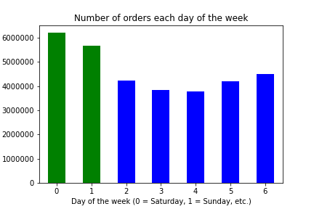
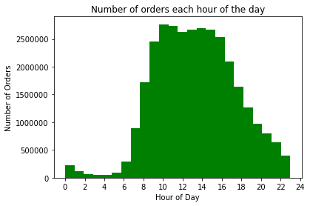

The green bars represent the weekend and the blue bars the weekdays. More orders are placed on weekends than during the week.
The fewest orders are placed Tuesday and Wednesday.
One possible explanation is that most shoppers work Monday to Friday and plan their groceries for the week ahead on the weekend.
Most orders are placed during the day, peaking between 10 am and 3 pm. Very few orders are placed between midnight and 5 am. Very few orders are placed between midnight and 5 am.
The busiest hour of day is 10 am, however at least 8% of orders are placed each hour from 10am to 3pm. The least busy hour is 3am, however less than 1% of orders are placed each hour from 2am to 6 am. See the table below for the percentage of orders placed each hour.

Recommendation: Ad times should be scheduled for the middle of the week and between midnight and 5 am.

When the number of orders placed each hour was calculated , the value count was normalized (turned into a percentage) in order to show that the difference in the busiest six hours was actually very small, and likewise the difference in the least busy seven hours was very small.
For this reason, when setting the busiest_period_of_day flag, if more than 8% of total orders were placed in a given hour, it was defined as one of the busiest hours. If less than 1% of total orders were placed in a given hour, it was defined as a least busy hour.
Orders placed during the day
hour | percentage of orders
0 | 0.68%
1 | 0.36%
2 | 0.21%
3 | 0.16%
4 | 0.16%
5 | 0.27%
6 | 0.90%
7 | 2.75%
8 | 5.30%
9 | 7.57%
10 | 8.52%
11 | 8.44%
12 | 8.08%
13 | 8.21%
14 | 8.30%
15 | 8.22%
16 | 7.82%
17 | 6.44%
18 | 5.05%
19 | 3.88%
20 | 3.01%
21 | 2.46%
22 | 1.96%
23 | 1.24%

8b Question 2
Visualizations and Key Question 2

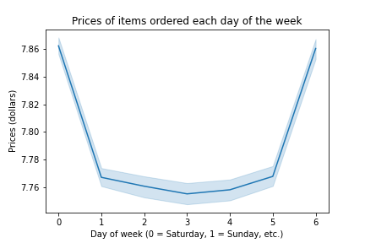
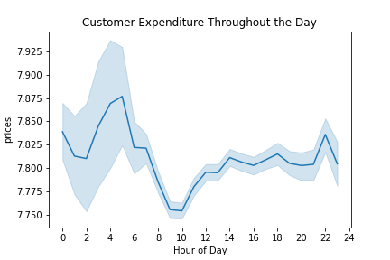
2. They also want to know whether there are particular times of the day when people spend the most money, as this might inform the type of products they advertise at these times.
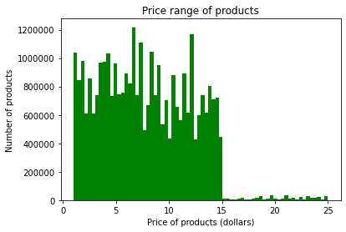

This linechart was created from a subset of the data (30% of all data, randomly sampled). It compares the prices of items purchased with the day of the week they were purchased.
More expensive items were purchased on Saturday and Sunday (which are also the busiest days of the week for ordering).
This line chart, created from the sample (30% of all data, randomly selected), shows that the most money is spent on orders placed between midnight (0) and 10am, and especially between ~3 and 6 am.
The least money is spent between 8 am and nooon.
A possible explanation is that people ordering at that timeare ordering snacks and prepared foods because they are hungry and don't want to cook.
Histogram showing prices of all products in the Instacart dataset. Most items are between $0 -$15, while some items are priced up to $25.
Note that two products with unsusually high prices were identified (see table below). The prices for these products were set to NA for the purposes of this analysis.

Recommendation: People spend the most money late at night. This is a good time to advertise late-night snacks. Customers who order in the afternoon and evening spend more than those who order during the morning. This is a good time to advertise more expensive groceries.

Incorrect Prices
product_id | product_name | aisle_id | department_id | prices
21553 | Lowfat 2% Milkfat Cottage Cheese | 108 | 16 | 14900
33664 | 2 % Reduced Fat Milk | 84 | 16 | 99999

8c Question 3
Visualizations and Key Question 3

3. Instacart has a lot of products with different price tags. Marketing and sales want to use simpler price range groupings to help direct their efforts
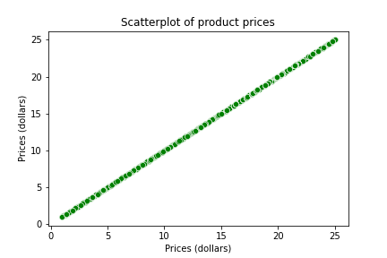
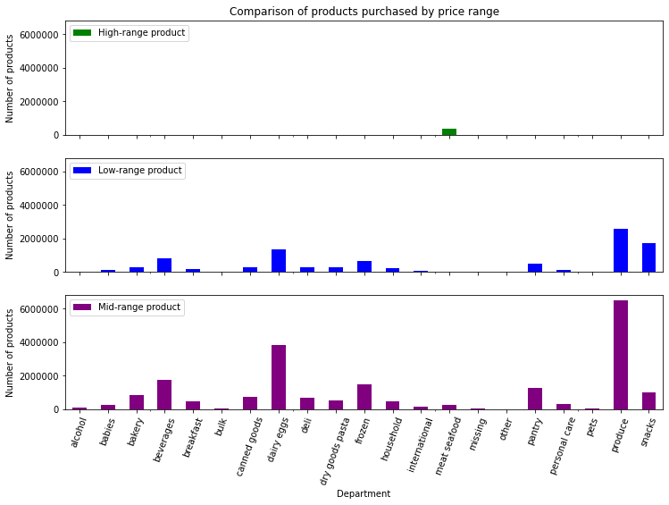

price_range flag criteria:
Price > 15 = High-range product Price ≤ 15 & > 5 = Mid-range product Price ≤ 5 = Low-range product

Instacart product prices range of $0-$25.
A price range flag was set to divide the products into three categories (see table below). The high range products are in meat and seafood and pantry (too few to appear on chart). most products have mid- to low-range prices.

Recommendation: The price range flag criteria shown above were used to divide the products into three categories. In addition to the figure above, the number of products in each category are shown in the table below.

 | Number of products
Department | High-range product | Low-range product | Mid-range product
alcohol | 0 | 33046 | 111581
babies | 0 | 121484 | 288908
bakery | 0 | 274986 | 850040
beverages | 0 | 814697 | 1757237
breakfast | 0 | 209185 | 467888
bulk | 0 | 1181 | 32270
canned goods | 0 | 281711 | 730363
dairy eggs | 0 | 1370908 | 3816043
deli | 0 | 299220 | 704614
dry goods pasta | 0 | 284346 | 537790
frozen | 0 | 647618 | 1475724
household | 0 | 245071 | 454787
international | 0 | 73203 | 182788
meat seafood | 392859 | 0 | 281926
missing | 0 | 18516 | 46252
other | 0 | 15259 | 19152
pantry | 221 | 504521 | 1278161
personal care | 0 | 123891 | 300471
pets | 0 | 28165 | 64900
produce | 0 | 2585708 | 6493568
snacks | 0 | 1742143 | 1024263

8d Question 4
Visualizations and Key Question 4

4. Are there certain types of products that are more popular than others? The marketing and sales teams want ot know which departments have the highest frequency of product orders.
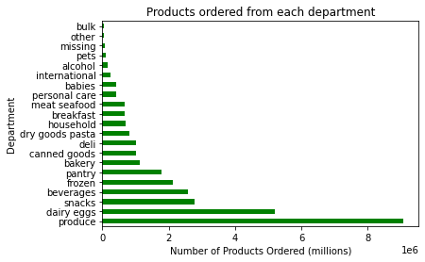

This chart shows that most products are ordered from the produce department, followed by dairy/eggs and snacks. Bulk foods are not ordered very often.

 | Recommendation: The produce, dairy/eggs and snacks departments have the most frequent orders.

8e Question 5a
Visualizations and Key Question 5a

5. The marketing and sales teams are particularly interested in the different types of customers in their system and how their ordering behaviors differ. For example:
 | What's the distribution among users in regards to their brand loyalty (i.e how oflten do they return to Instacart?
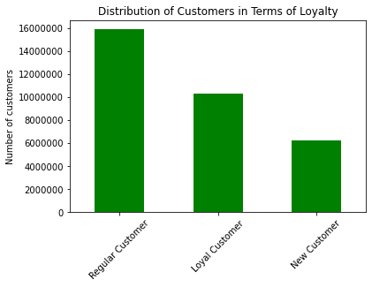

loyalty flag criteria:
value > 40 = Loyal Customer value ≤ 40 & > 10 = Regular Customer value ≤ 10 = New Customer

This bar chart shows how many customers there are in each loyalty group. The loyalty groups are based on the number of orders. The largest group is the regular customers (left), and the smallest group is the new customers (right).

Recommendation: The loyalty flag criteria shown above was used to divide the customers into three categories.

8f Question 5b
Visualizations and Key Question 5b

5. The marketing and sales teams are particularly interested in the different types of customers in their system and how their ordering behaviors differ. For example:
 | Are there differences in ordering habits based on a customer's loyalty status?
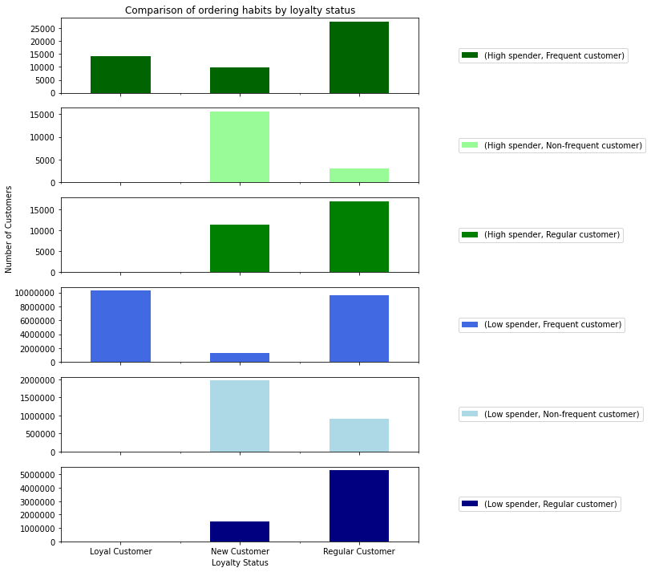

The chart to the left compares the frequency of ordering with the spending flag.
All loyal customers are frequent or regular. High-spending loyal customers are all frequent. The highest number of customers fall into the Loyal Customer, high-spending, frequent customer group.
See below for the related data table.

 |  | spending_flag | High spender |  |  | Low spender
 |  | order_frequency | Frequent customer | Non-frequent customer | Regular customer | Frequent customer | Non-frequent customer | Regular customer

 |  | loyalty_flag
 |  | Loyal Customer | 14305 | 0 | 0 | 10274996 | 0 | 4133
 |  | New Customer | 9941 | 15589 | 11491 | 1284260 | 1969440 | 1516929
 |  | Regular Customer | 27524 | 2996 | 17062 | 9610320 | 909198 | 5323358

spending flag criteria:
value < 10 = Low spender value ≥ 10 = High spender
order frequency flag criteria:
value > 20 = Non-frequent customer value > 10 & ≤ 20 = Regular customer value ≤ 10 = Frequent customer

Recommendation: Loyal customers are frequent customers, and can be high or low spenders.

8g Question 5c
Visualizations and Key Question 5c

5. The marketing and sales teams are particularly interested in the different types of customers in their system and how their ordering behaviors differ. For example:
 | Are there differences in customers ordering habits based on a customer's region?
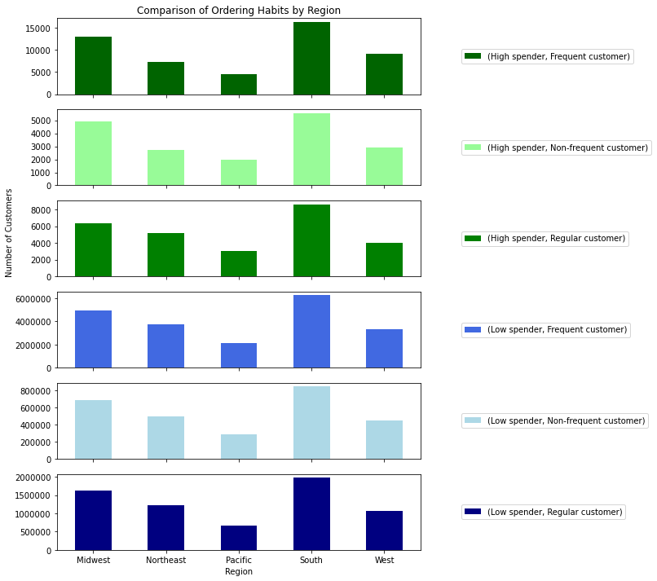

The chart to the left compares the frequency of ordering with the spending flag.
The largest number of customers overall is in the South, followed by the Midwest, Northeast, West, and Pacific.
In all regions, more customers are frequent, low spenders than any other type. The largest number of frequenty, high spending customers are in the South, however there are also many of these customers in the Midwest.
See below for the related data table.

 |  | spending_flag | High spender |  |  | Low spender
 |  | order_frequency | Frequent customer | Non-frequent customer | Regular customer | Frequent customer | Non-frequent customer | Regular customer
 |  | region
 |  | Midwest | 13019 | 4897 | 6350 | 4926194 | 685693 | 1631304
 |  | Northeast | 7296 | 2723 | 5144 | 3736663 | 494664 | 1223384
 |  | Pacific | 4577 | 1984 | 3014 | 2112414 | 286482 | 664234
 |  | South | 16317 | 5563 | 8619 | 6257924 | 850448 | 1983644
 |  | West | 9052 | 2898 | 4017 | 3332942 | 449214 | 1063313

spending flag criteria:
value < 10 = Low spender value ≥ 10 = High spender
order frequency flag criteria:
value > 20 = Non-frequent customer value > 10 & ≤ 20 = Regular customer value ≤ 10 = Frequent customer

Recommendation: The South has the most customers, while the Pacific has the fewest.
The south, followed by the Midwest, has the most high spenders and the most frequent customers.
More insight may be possible if the data is normalized, so that the effect of the total number of customers in each region does not skew the results.

8h Question 5d
Visualizations and Key Question 5c

5. The marketing and sales teams are particularly interested in the different types of customers in their system and how their ordering behaviors differ. For example:
 | Is there a connectino between age and family status in terms of ordering habits?
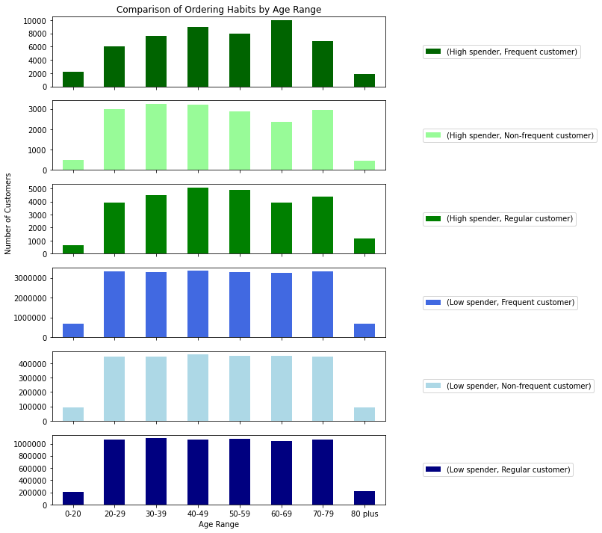
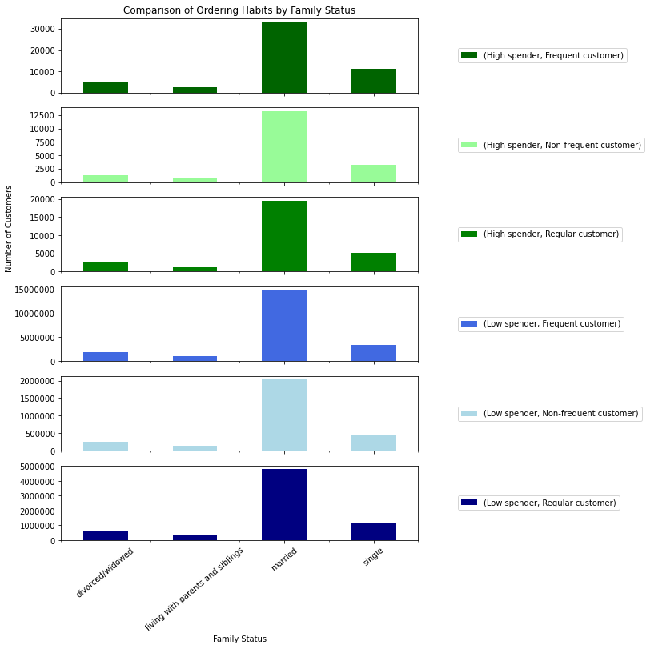
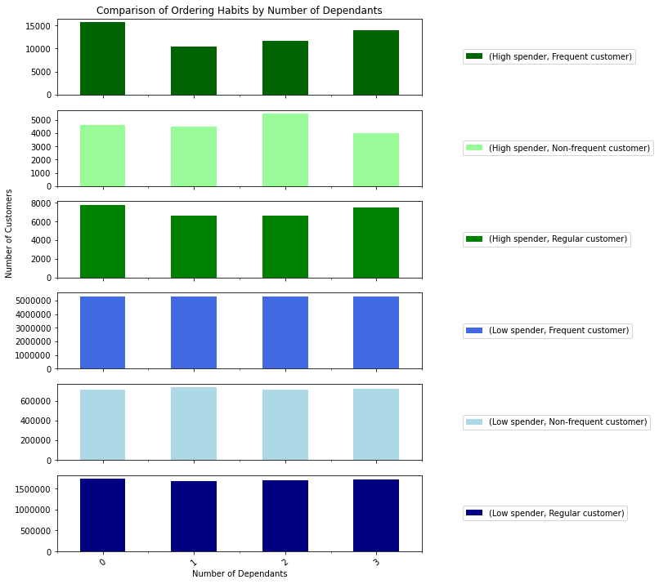

Customers aged 60-69 are the highest spending, most frequent customers while customers aged 40-49 are the highest spending regular customers. Customers aged 0-20 and 80+ are the smallest groups, and are consistently the lowest spenders and least frequent customers.
Customers with zero dependants are more likely to be high-spending, frequent customers than those with dependants. This is the only obvious relationship between number of dependants and ordering habits - for the most parts the distributions appear similar.
Married customers make up the largest group of customers with all types of ordering habits. Customers living with parents and siblings are the smallest group.

spending flag criteria:
value < 10 = Low spender value ≥ 10 = High spender
spending_flag | High spender | High spender | High spender | Low spender | Low spender | Low spender
order_frequency | Frequent customer | Non-frequent customer | Regular customer | Frequent customer | Non-frequent customer | Regular customer
age_range
0-20 | 2258 | 497 | 654 | 667606 | 91871 | 212546
20-29 | 6089 | 2968 | 3932 | 3321587 | 444933 | 1067832
30-39 | 7650 | 3249 | 4521 | 3299779 | 444534 | 1091764
40-49 | 9024 | 3216 | 5091 | 3344433 | 460494 | 1065133
order frequency flag criteria:
value > 20 = Non-frequent customer value > 10 & ≤ 20 = Regular customer value ≤ 10 = Frequent customer
50-59 | 8016 | 2882 | 4899 | 3296752 | 451952 | 1081783
60-69 | 10013 | 2350 | 3907 | 3257724 | 449804 | 1042223
70-79 | 6848 | 2954 | 4374 | 3313271 | 443916 | 1066838
80 plus | 1872 | 469 | 1175 | 668424 | 91134 | 216301

spending_flag | High spender | High spender | High spender | Low spender | Low spender | Low spender
order_frequency | Frequent customer | Non-frequent customer | Regular customer | Frequent customer | Non-frequent customer | Regular customer
household_status
divorced/widowed | 4665 | 1298 | 2591 | 1815561 | 242938 | 580608
living with parents and siblings | 2725 | 740 | 1242 | 1028771 | 138096 | 311001
married | 33326 | 13248 | 19528 | 14867114 | 2027518 | 4801536
single | 11054 | 3299 | 5192 | 3458130 | 470086 | 1151275

spending_flag | High spender | High spender | High spender | Low spender | Low spender | Low spender
order_frequency | Frequent customer | Non-frequent customer | Regular customer | Frequent customer | Non-frequent customer | Regular customer
dependants
0 | 15719 | 4597 | 7783 | 5273691 | 713024 | 1731883
1 | 10416 | 4482 | 6660 | 5292001 | 732859 | 1679275
2 | 11678 | 5480 | 6611 | 5296272 | 712656 | 1707263
3 | 13957 | 4026 | 7499 | 5307612 | 720099 | 1725999

Recommendation: To target high-spending, frequent customers, target adults aged 60-69, married customers, and customers without dependants.

8i Question 6
Visualizations and Key Question 6

6. What different classifications does the demographic information suggest?
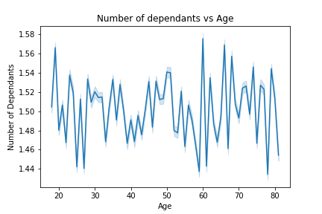
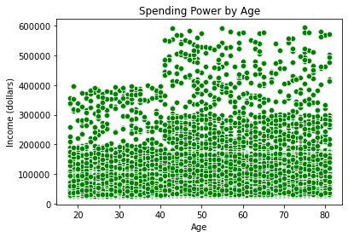
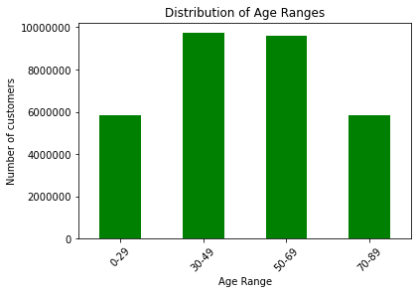

Customers under 40 have incomes less than 400,000.
Some customers 40 have incomes between 200,000 and 400,000, however most customers under 40 have incomes less than 200,000. Customers over 40 have the greatest spending power.
There does not appear to be a relationship between the number of dependants and age.
The highest number of customers are between 30-69 years old, with slightly more than half of those aged 30-49.

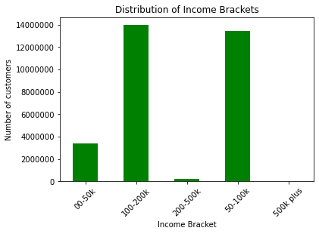

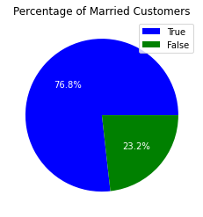
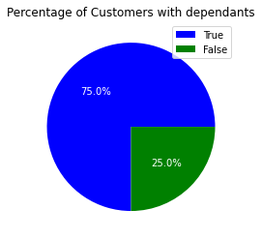

76.8% of customers are married, and 75% of customers have dependants.

Most customers have incomes between $50k and $200k, with just over have of those having incomes between $100k and $200k.

Recommendation: 4 customer profile flags were created:
 | 1. Age Range
 | 2. Has Dependants
 | 3. Is Married
 | 4. Income Bracket
By combining the is_married and has_dependants flag, three customer profiles emerge: Single parent, Single with no children,
Married with Children. A fourth could be added based on the household_status of 'living with parents and/or siblings.'
The department, 'babies,' could be used to see which parents have young children.
This requires computational power beyond what my computer (which meets the minimum requirements for the course) can do,
Therefore, further diferentiation of these profiles is left for future work,
either with a better computer (CPU and RAM resources were maxed out for all attempts at this, even when the computer was optimized for performance and no other notebooks or programs were running).
or with a subset of the data.

8j Question 7
Visualizations and Key Question 7

7. What differences can you find in ordering habits of different customer profiles? Consider the prices of orders, the frequency of orders, the products customers are ordering, and anything else you can think of.
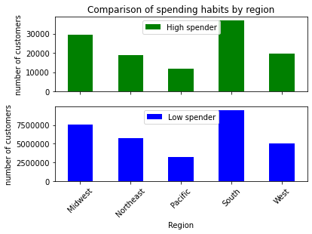
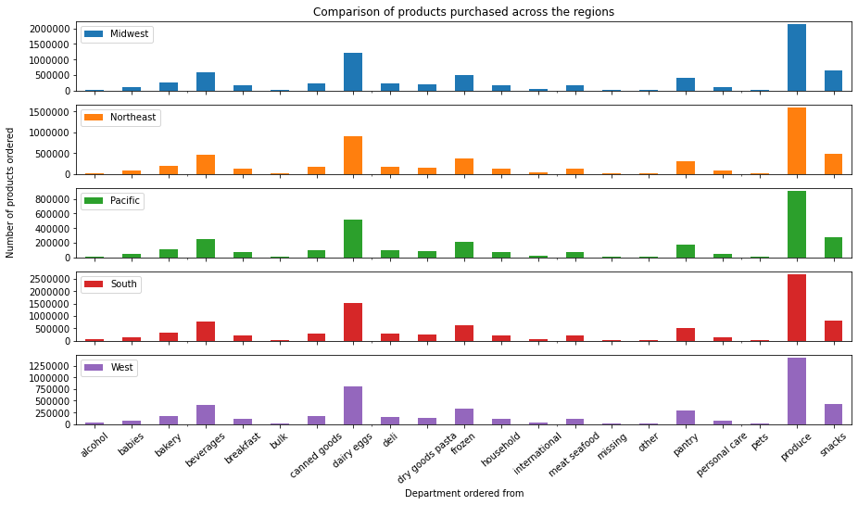

As noted in worksheet 8g Question 5c, regional trends in spending habits (top figure) are related to the number of customers are related to the number of customers in each region rather than to regional trends.
In each region, the proportions of products ordered from the different departments follow the same trends: most orders are from produce, dairy eggs, and snacks.

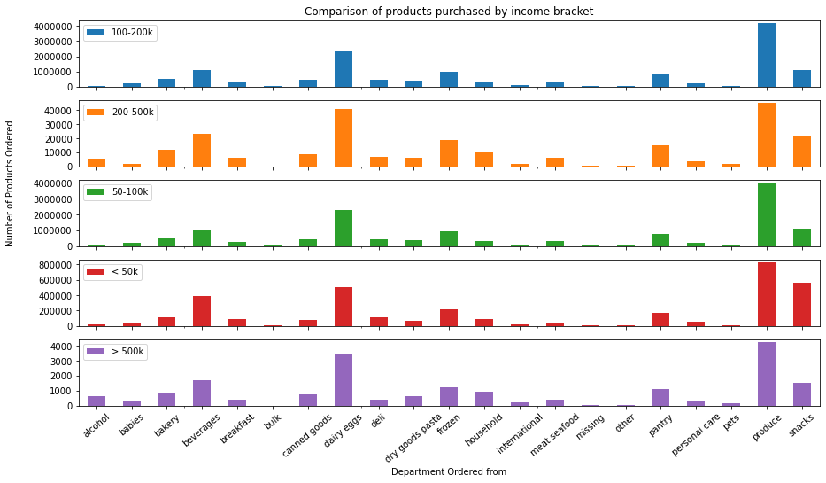

In terms of products, income appears to have the largest effect on ordering habits.
For example, as noted in worksheet 8c Question 3, the most expensive products are in the meat-seafood and pantry departments. A higher proportion of customers in the 200-500k income bracket purchase items from these two departments than in other income brackets.
People in the 200-500k and >500k income brackets purchase a higher proportion of alcohol than customers in lower income brackets.
People in the <50k income bracket order the highest proportion of products from the snack and beverage departments.

Recommendation: In addition to the observations noted in the answers to question 5 (b, c, d), income bracket
appears to be an important factor in customers ordering habits.
How much a customer orders from departments like meat seafood, alcohol, pantry, beverages, and snacks, is determined by their income bracket.

